Data
Start Time | Stop Time | Number of alarms | Alarms/min | % | Number of alarms | 253 |  | Max alarm rate | 22 | / 10min
07/11/2023 12:00 | 07/11/2023 12:10 | 3 | 0.30 | 1.19% | Average alarm rate during steady state | 0.20 | / 10min
07/11/2023 12:10 | 07/11/2023 12:20 | 0 | 0.00 | 0.00%
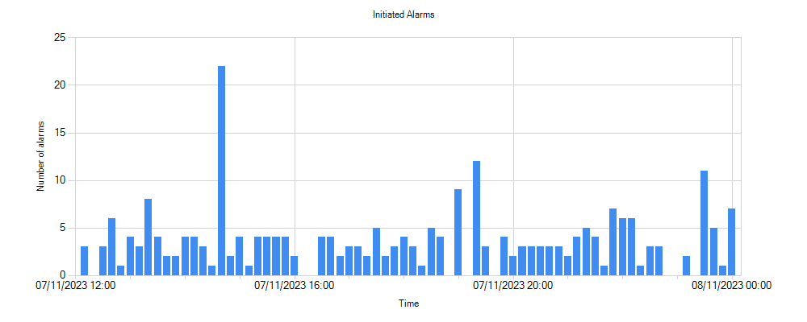
07/11/2023 12:20 | 07/11/2023 12:30 | 3 | 0.30 | 1.19%
07/11/2023 12:30 | 07/11/2023 12:40 | 6 | 0.60 | 2.37%
07/11/2023 12:40 | 07/11/2023 12:50 | 1 | 0.10 | 0.40%
07/11/2023 12:50 | 07/11/2023 13:00 | 4 | 0.40 | 1.58%
07/11/2023 13:00 | 07/11/2023 13:10 | 3 | 0.30 | 1.19%
07/11/2023 13:10 | 07/11/2023 13:20 | 8 | 0.80 | 3.16%
07/11/2023 13:20 | 07/11/2023 13:30 | 4 | 0.40 | 1.58%
07/11/2023 13:30 | 07/11/2023 13:40 | 2 | 0.20 | 0.79%
07/11/2023 13:40 | 07/11/2023 13:50 | 2 | 0.20 | 0.79%
07/11/2023 13:50 | 07/11/2023 14:00 | 4 | 0.40 | 1.58%
07/11/2023 14:00 | 07/11/2023 14:10 | 4 | 0.40 | 1.58%
07/11/2023 14:10 | 07/11/2023 14:20 | 3 | 0.30 | 1.19%
07/11/2023 14:20 | 07/11/2023 14:30 | 1 | 0.10 | 0.40%
07/11/2023 14:30 | 07/11/2023 14:40 | 22 | 2.20 | 8.70%
07/11/2023 14:40 | 07/11/2023 14:50 | 2 | 0.20 | 0.79%
07/11/2023 14:50 | 07/11/2023 15:00 | 4 | 0.40 | 1.58%
07/11/2023 15:00 | 07/11/2023 15:10 | 1 | 0.10 | 0.40%
07/11/2023 15:10 | 07/11/2023 15:20 | 4 | 0.40 | 1.58%
07/11/2023 15:20 | 07/11/2023 15:30 | 4 | 0.40 | 1.58%
07/11/2023 15:30 | 07/11/2023 15:40 | 4 | 0.40 | 1.58%
07/11/2023 15:40 | 07/11/2023 15:50 | 4 | 0.40 | 1.58%
07/11/2023 15:50 | 07/11/2023 16:00 | 2 | 0.20 | 0.79%
07/11/2023 16:00 | 07/11/2023 16:10 | 0 | 0.00 | 0.00%
07/11/2023 16:10 | 07/11/2023 16:20 | 0 | 0.00 | 0.00%
07/11/2023 16:20 | 07/11/2023 16:30 | 4 | 0.40 | 1.58%
07/11/2023 16:30 | 07/11/2023 16:40 | 4 | 0.40 | 1.58%
07/11/2023 16:40 | 07/11/2023 16:50 | 2 | 0.20 | 0.79%
07/11/2023 16:50 | 07/11/2023 17:00 | 3 | 0.30 | 1.19%
07/11/2023 17:00 | 07/11/2023 17:10 | 3 | 0.30 | 1.19%
07/11/2023 17:10 | 07/11/2023 17:20 | 2 | 0.20 | 0.79%
07/11/2023 17:20 | 07/11/2023 17:30 | 5 | 0.50 | 1.98%
07/11/2023 17:30 | 07/11/2023 17:40 | 2 | 0.20 | 0.79%
07/11/2023 17:40 | 07/11/2023 17:50 | 3 | 0.30 | 1.19%
07/11/2023 17:50 | 07/11/2023 18:00 | 4 | 0.40 | 1.58%
07/11/2023 18:00 | 07/11/2023 18:10 | 3 | 0.30 | 1.19%
07/11/2023 18:10 | 07/11/2023 18:20 | 1 | 0.10 | 0.40%
07/11/2023 18:20 | 07/11/2023 18:30 | 5 | 0.50 | 1.98%
07/11/2023 18:30 | 07/11/2023 18:40 | 4 | 0.40 | 1.58%
07/11/2023 18:40 | 07/11/2023 18:50 | 0 | 0.00 | 0.00%
07/11/2023 18:50 | 07/11/2023 19:00 | 9 | 0.90 | 3.56%
07/11/2023 19:00 | 07/11/2023 19:10 | 0 | 0.00 | 0.00%
07/11/2023 19:10 | 07/11/2023 19:20 | 12 | 1.20 | 4.74%
07/11/2023 19:20 | 07/11/2023 19:30 | 3 | 0.30 | 1.19%
07/11/2023 19:30 | 07/11/2023 19:40 | 0 | 0.00 | 0.00%
07/11/2023 19:40 | 07/11/2023 19:50 | 4 | 0.40 | 1.58%
07/11/2023 19:50 | 07/11/2023 20:00 | 2 | 0.20 | 0.79%
07/11/2023 20:00 | 07/11/2023 20:10 | 3 | 0.30 | 1.19%
07/11/2023 20:10 | 07/11/2023 20:20 | 3 | 0.30 | 1.19%
07/11/2023 20:20 | 07/11/2023 20:30 | 3 | 0.30 | 1.19%
07/11/2023 20:30 | 07/11/2023 20:40 | 3 | 0.30 | 1.19%
07/11/2023 20:40 | 07/11/2023 20:50 | 3 | 0.30 | 1.19%
07/11/2023 20:50 | 07/11/2023 21:00 | 2 | 0.20 | 0.79%
07/11/2023 21:00 | 07/11/2023 21:10 | 4 | 0.40 | 1.58%
07/11/2023 21:10 | 07/11/2023 21:20 | 5 | 0.50 | 1.98%
07/11/2023 21:20 | 07/11/2023 21:30 | 4 | 0.40 | 1.58%
07/11/2023 21:30 | 07/11/2023 21:40 | 1 | 0.10 | 0.40%
07/11/2023 21:40 | 07/11/2023 21:50 | 7 | 0.70 | 2.77%
07/11/2023 21:50 | 07/11/2023 22:00 | 6 | 0.60 | 2.37%
07/11/2023 22:00 | 07/11/2023 22:10 | 6 | 0.60 | 2.37%
07/11/2023 22:10 | 07/11/2023 22:20 | 1 | 0.10 | 0.40%
07/11/2023 22:20 | 07/11/2023 22:30 | 3 | 0.30 | 1.19%
07/11/2023 22:30 | 07/11/2023 22:40 | 3 | 0.30 | 1.19%
07/11/2023 22:40 | 07/11/2023 22:50 | 0 | 0.00 | 0.00%
07/11/2023 22:50 | 07/11/2023 23:00 | 0 | 0.00 | 0.00%
07/11/2023 23:00 | 07/11/2023 23:10 | 2 | 0.20 | 0.79%
07/11/2023 23:10 | 07/11/2023 23:20 | 0 | 0.00 | 0.00%
07/11/2023 23:20 | 07/11/2023 23:30 | 11 | 1.10 | 4.35%
07/11/2023 23:30 | 07/11/2023 23:40 | 5 | 0.50 | 1.98%
07/11/2023 23:40 | 07/11/2023 23:50 | 1 | 0.10 | 0.40%
07/11/2023 23:50 | 08/11/2023 00:00 | 7 | 0.70 | 2.77%

